Script
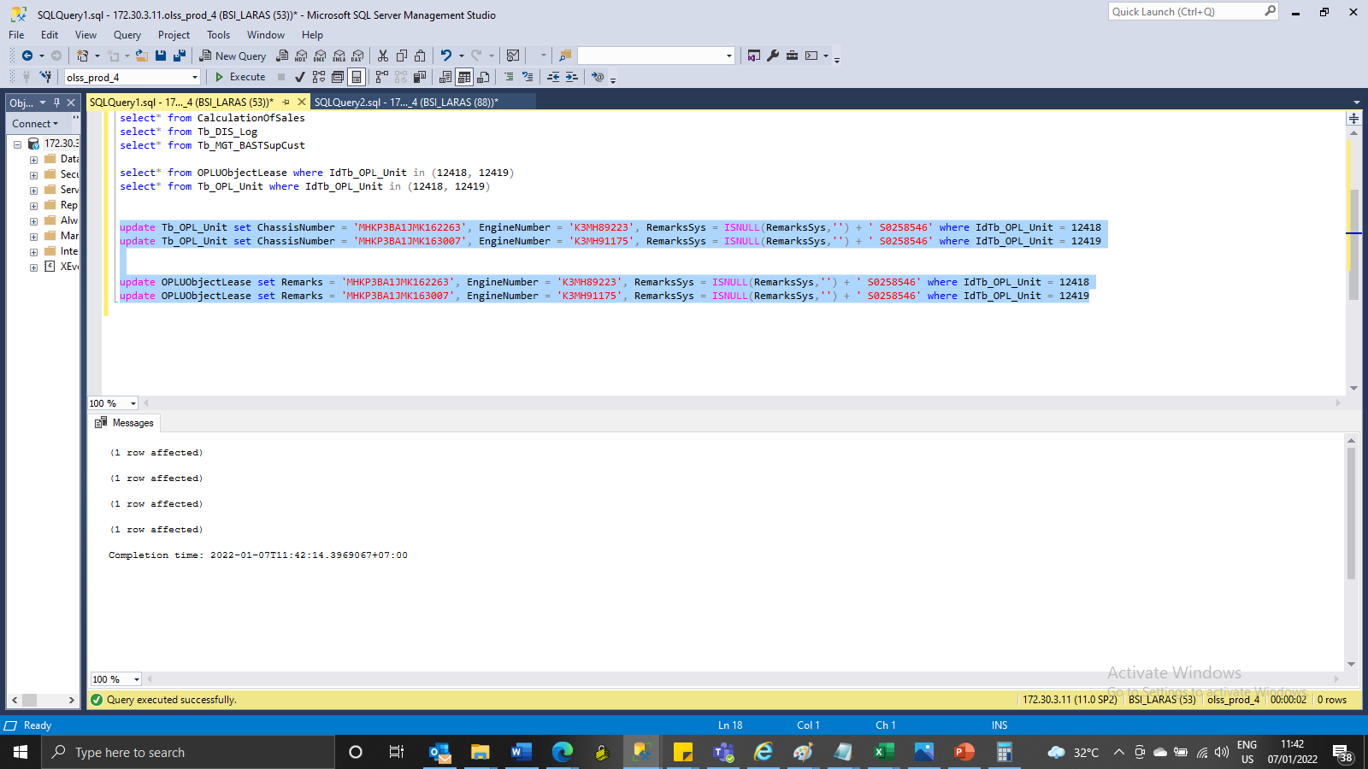
update Tb_OPL_Unit set ChassisNumber = 'MHKP3BA1JMK162263', EngineNumber = 'K3MH89223', RemarksSys = ISNULL(RemarksSys,'') + ' S0258546' where IdTb_OPL_Unit = 12418
update Tb_OPL_Unit set ChassisNumber = 'MHKP3BA1JMK163007', EngineNumber = 'K3MH91175', RemarksSys = ISNULL(RemarksSys,'') + ' S0258546' where IdTb_OPL_Unit = 12419

update OPLUObjectLease set Remarks = 'MHKP3BA1JMK162263', EngineNumber = 'K3MH89223', RemarksSys = ISNULL(RemarksSys,'') + ' S0258546' where IdTb_OPL_Unit = 12418
update OPLUObjectLease set Remarks = 'MHKP3BA1JMK163007', EngineNumber = 'K3MH91175', RemarksSys = ISNULL(RemarksSys,'') + ' S0258546' where IdTb_OPL_Unit = 12419

Screenshot
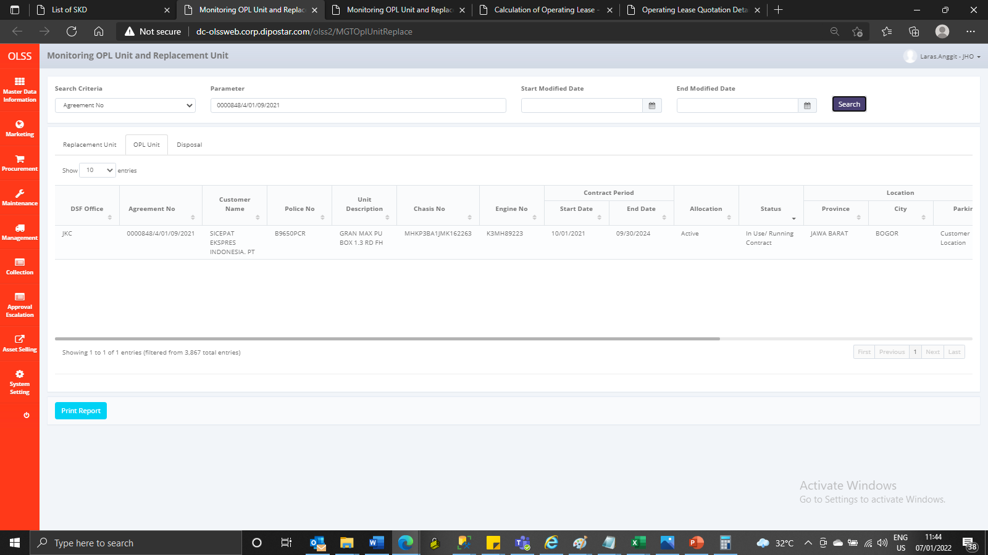
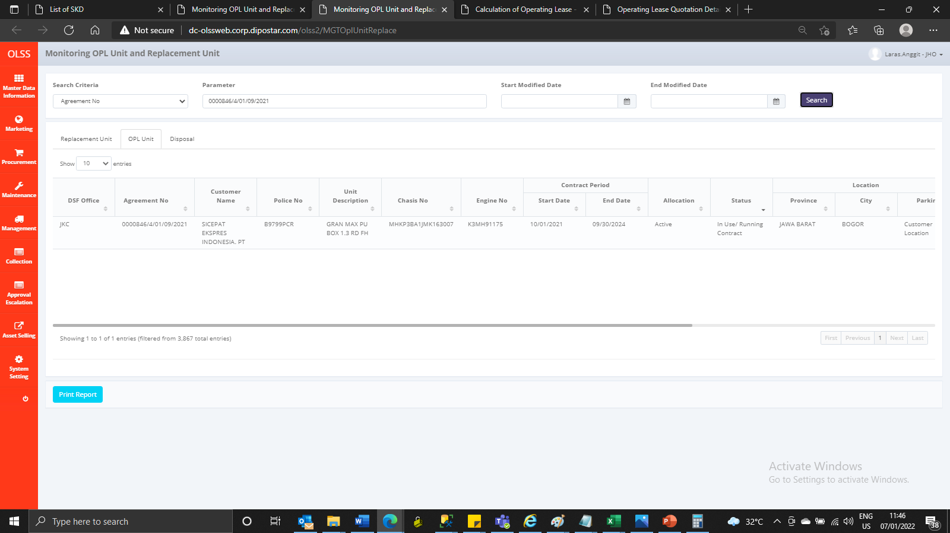
BEFORE
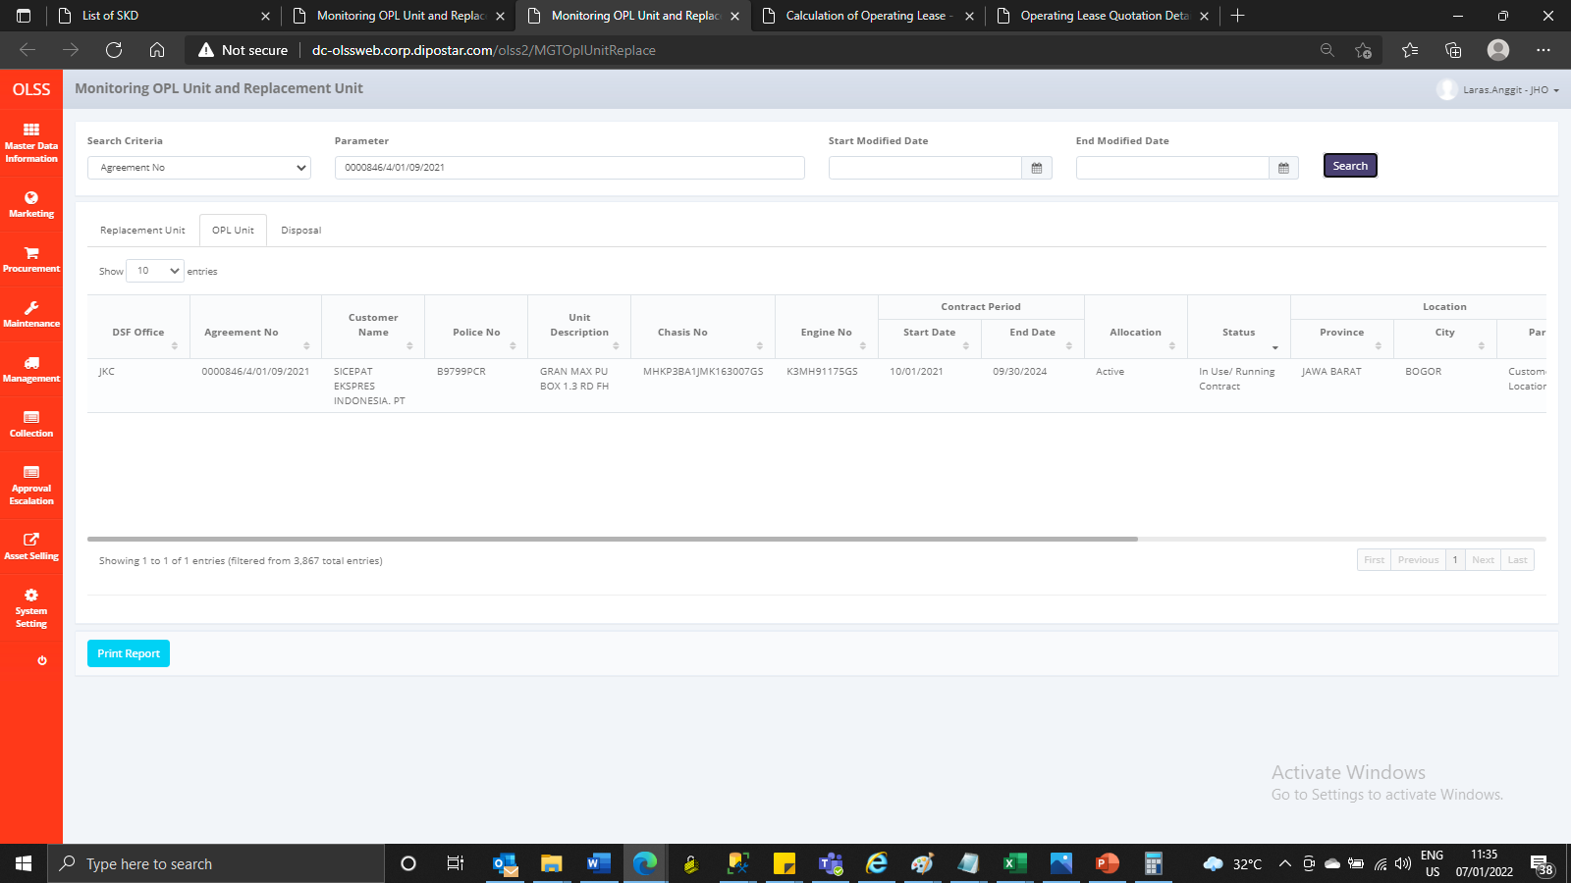
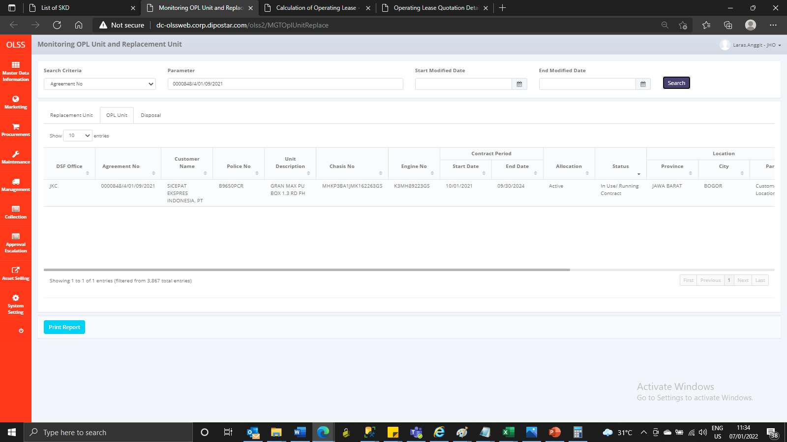

AFTER

